Charts1
Create Line Chart with Proper formatting
Should be formatted as shown in picture

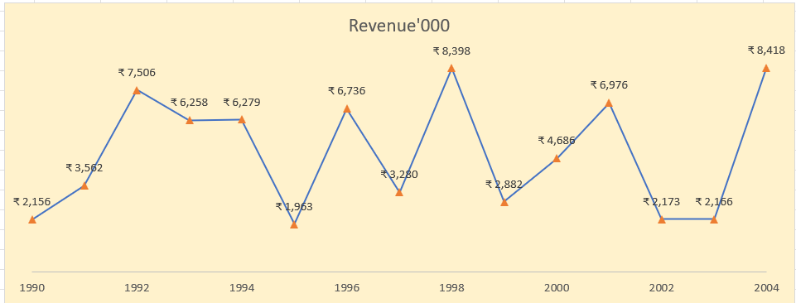
Date | Revenue'000
1990 | ₹ 2,156
1991 | ₹ 3,562
1992 | ₹ 7,506
1993 | ₹ 6,258
1994 | ₹ 6,279
1995 | ₹ 1,963
1996 | ₹ 6,736
1997 | ₹ 3,280
1998 | ₹ 8,398
1999 | ₹ 2,882
2000 | ₹ 4,686
2001 | ₹ 6,976
2002 | ₹ 2,173
2003 | ₹ 2,166
2004 | ₹ 8,418

1.Chart1
Date | Revenue'000
1990 | ₹ 2,156
1991 | ₹ 3,562
1992 | ₹ 7,506
1993 | ₹ 6,258
1994 | ₹ 6,279
1995 | ₹ 1,963
1996 | ₹ 6,736
1997 | ₹ 3,280
1998 | ₹ 8,398
1999 | ₹ 2,882
2000 | ₹ 4,686
2001 | ₹ 6,976
2002 | ₹ 2,173
2003 | ₹ 2,166
2004 | ₹ 8,418

Charts2
Create Combo Chart with Proper formatting
Should be formatted as shown in picture

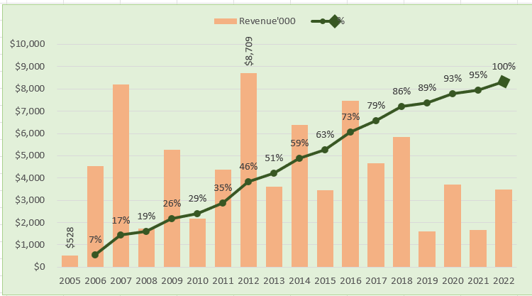
Date | Revenue'000 | Running Total | %
2005 | $528
2006 | $4,550 | 5,078.00 | 7%
2007 | $8,189 | 13,267.00 | 17%
2008 | $1,730 | 14,997.00 | 19%
2009 | $5,262 | 20,259.00 | 26%
2010 | $2,172 | 22,431.00 | 29%
2011 | $4,384 | 26,815.00 | 35%
2012 | $8,709 | 35,524.00 | 46%
2013 | $3,618 | 39,142.00 | 51%
2014 | $6,372 | 45,514.00 | 59%
2015 | $3,456 | 48,970.00 | 63%
2016 | $7,478 | 56,448.00 | 73%
2017 | $4,649 | 61,097.00 | 79%
2018 | $5,831 | 66,928.00 | 86%
2019 | $1,599 | 68,527.00 | 89%
2020 | $3,695 | 72,222.00 | 93%
2021 | $1,678 | 73,900.00 | 95%
2022 | $3,490 | 77,390.00 | 100%

Total | $77,390

2.Chart2
Date | Revenue'000 | Running Total | %
2005 | $528
2006 | $4,550 | 5,078.00 | 7%
 | Revenue'000 | %
2005 | $528
2006 | $4,550 | 7%
2007 | $8,189 | 17%
2008 | $1,730 | 19%
2009 | $5,262 | 26%
2010 | $2,172 | 29%
2011 | $4,384 | 35%
2012 | $8,709 | 46%
2013 | $3,618 | 51%
2014 | $6,372 | 59%
2015 | $3,456 | 63%
2016 | $7,478 | 73%
2017 | $4,649 | 79%
2018 | $5,831 | 86%
2019 | $1,599 | 89%
2020 | $3,695 | 93%
2021 | $1,678 | 95%
2022 | $3,490 | 100%
2007 | $8,189 | 13,267.00 | 17%
2008 | $1,730 | 14,997.00 | 19%
2009 | $5,262 | 20,259.00 | 26%
2010 | $2,172 | 22,431.00 | 29%
2011 | $4,384 | 26,815.00 | 35%
2012 | $8,709 | 35,524.00 | 46%
2013 | $3,618 | 39,142.00 | 51%
2014 | $6,372 | 45,514.00 | 59%
2015 | $3,456 | 48,970.00 | 63%
2016 | $7,478 | 56,448.00 | 73%
2017 | $4,649 | 61,097.00 | 79%
2018 | $5,831 | 66,928.00 | 86%
2019 | $1,599 | 68,527.00 | 89%
2020 | $3,695 | 72,222.00 | 93%
2021 | $1,678 | 73,900.00 | 95%
2022 | $3,490 | 77,390.00 | 100%

Total | $77,390

